Evidence Examples
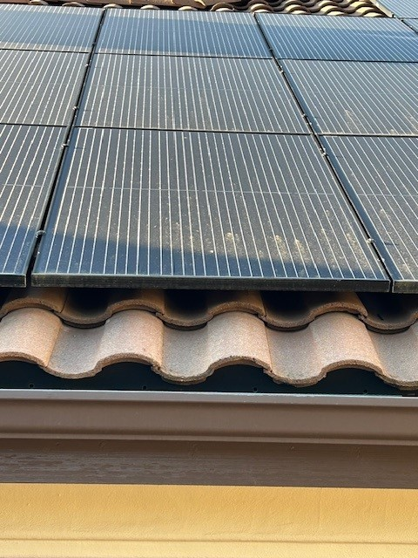
 | Module Photographic Evidence (not to scale)
1. Module Front Side
Full Frontal |  | Monitoring Software Screen Shot of Array before work (identify problem panel) OR Problem Area (if applicable)

2. Module Back Side
Full Rear |  | Monitoring Software Screen Shot - Adjacent location to show issue moves with panel (Swap module to an adjacent/neighboring MLPE)

3. Module Stickers (rear)
Module Label - back of panel |  | 24 character Alphanumeric Serial Number

4. Module DC Electrical Values (production related claims only)
DC Voltage - panel in full sun |  | IR Image

 |  | 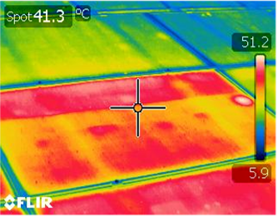

5. Shipping Damage: include BOL with damage notes & serial numbers of all damages modules
Prior to offloading |  | Post offloading

